Rate 3.15
Loan of 450,000 at rate of 3.15%

Insert Values from "see full report below" in rows B-F using |  |  |  |  |  | https://firstunitedteam.mymortgage-online.com/PaymentAmortization.html
 | Time Period | Payment | Principal | Interest | Balance | Calculation step | Interest (as % of total mortgage payment w/out escrow) | Payoff needed for Int reduction to value in Row H | Interest avoided By payoff in Row I
Y1 | 0/2023 - 09/2024 | $23,205.84 | $9,162.38 | $14,043.46 | $440,837.62 | $1,404,346.00 | 60.516921602
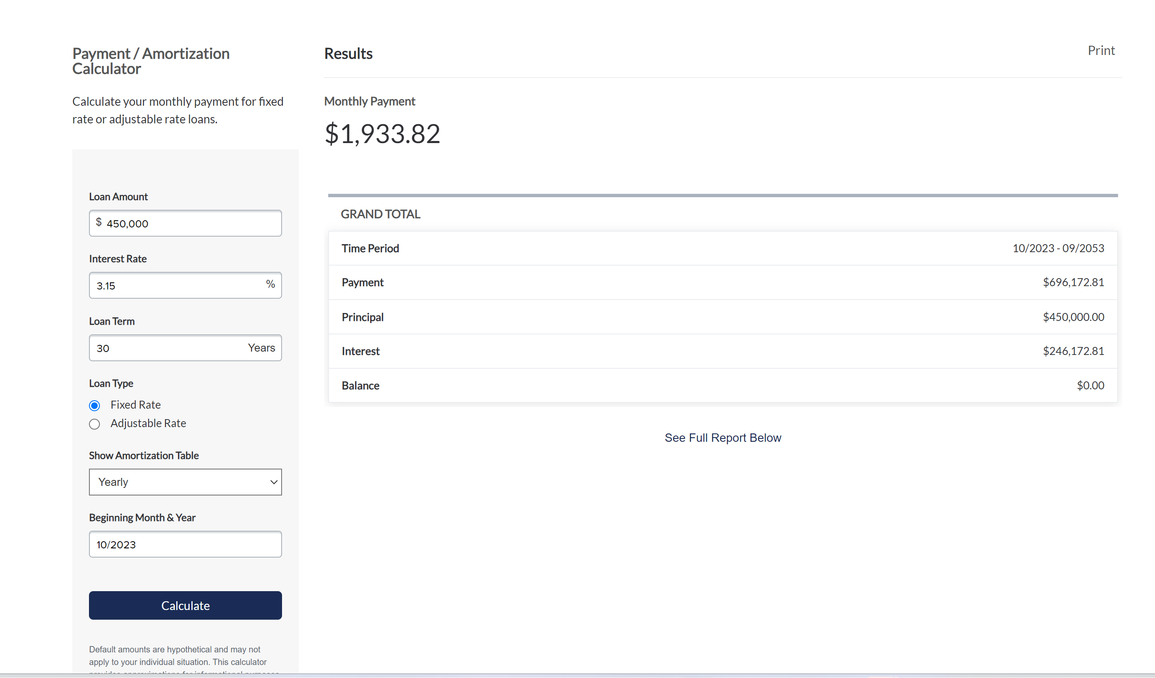
Y2 | 10/2024 - 09/2025 | $23,205.84 | $9,455.17 | $13,750.67 | $431,382.45 | $1,375,067.00 | 59.255213343
Y3 | 10/2025 - 09/2026 | $23,205.84 | $9,757.37 | $13,448.47 | $421,625.08 | $1,344,847.00 | 57.952954946
Y4 | 10/2026 - 09/2027 | $23,205.84 | $10,069.19 | $13,136.65 | $411,555.89 | $1,313,665.00 | 56.609241467
Y5 | 10/2027 - 09/2028 | $23,205.84 | $10,391.00 | $12,814.84 | $401,164.89 | $1,281,484.00 | 55.22247848
Y6 | 10/2028 - 09/2029 | $23,205.84 | $10,723.08 | $12,482.76 | $390,441.81 | $1,248,276.00 | 53.791459391
Y7 | 10/2029 - 09/2030 | $23,205.84 | $11,065.77 | $12,140.07 | $379,376.04 | $1,214,007.00 | 52.314719053
Y8 | 10/2030 - 09/2031 | $23,205.84 | $11,419.43 | $11,786.41 | $367,956.61 | $1,178,641.00 | 50.790706133
Y9 | 10/2031 - 09/2032 | $23,205.84 | $11,784.36 | $11,421.48 | $356,172.25 | $1,142,148.00 | 49.218127851
Y10 | 10/2032 - 09/2033 | $23,205.84 | $12,161.00 | $11,044.84 | $344,011.25 | $1,104,484.00 | 47.595088133
Y11 | 10/2033 - 09/2034 | $23,205.84 | $12,549.65 | $10,656.19 | $331,461.60 | $1,065,619.00 | 45.920294202 | $118,538.40 | $136,725.84
Y12 | 10/2034 - 09/2035 | $23,205.84 | $12,950.72 | $10,255.12 | $318,510.88 | $1,025,512.00 | 44.19197926 | $131,489.12 | $146,980.96
y13 | 10/2035 - 09/2036 | $23,205.84 | $13,364.61 | $9,841.23 | $305,146.27 | $984,123.00 | 42.408419605 | $144,853.73 | $156,822.19
y14 | 10/2036 - 09/2037 | $23,205.84 | $13,791.72 | $9,414.12 | $291,354.55 | $941,412.00 | 40.567891531
Y15 | 10/2037 - 09/2038 | $23,205.84 | $14,232.48 | $8,973.36 | $277,122.07 | $897,336.00 | 38.668542057
Y16 | 10/2038 - 09/2039 | $23,205.84 | $14,687.34 | $8,518.50 | $262,434.73 | $851,850.00 | 36.708432015
Y17 | 10/2039 - 09/2040 | $23,205.84 | $15,156.73 | $8,049.11 | $247,278.00 | $804,911.00 | 34.685708425
Y18 | 10/2040 - 09/2041 | $23,205.84 | $15,641.13 | $7,564.71 | $231,636.87 | $756,471.00 | 32.598302841
Y19 | 10/2041 - 09/2042 | $23,205.84 | $16,140.99 | $7,064.85 | $215,495.88 | $706,485.00 | 30.444276096
Y20 | 10/2042 - 09/2043 | $23,205.84 | $16,656.83 | $6,549.01 | $198,839.05 | $654,901.00 | 28.221387375
Y21 | 10/2043 - 09/2044 | $23,205.84 | $17,189.18 | $6,016.66 | $181,649.87 | $601,666.00 | 25.92735277
Y22 | 10/2044 - 09/2045 | $23,205.84 | $17,738.51 | $5,467.33 | $163,911.36 | $546,733.00 | 23.560146929
Y23 | 10/2045 - 09/2046 | $23,205.84 | $18,305.41 | $4,900.43 | $145,605.95 | $490,043.00 | 21.117227388
Y24 | 10/2046 - 09/2047 | $23,205.84 | $18,890.44 | $4,315.40 | $126,715.51 | $431,540.00 | 18.596180961
Y25 | 10/2047 - 09/2048 | $23,205.84 | $19,494.15 | $3,711.69 | $107,221.36 | $371,169.00 | 15.994637557
Y26 | 10/2048 - 09/2049 | $23,205.84 | $20,117.15 | $3,088.69 | $87,104.21 | $308,869.00 | 13.309968525
Y27 | 10/2049 - 09/2050 | $23,205.84 | $20,760.07 | $2,445.77 | $66,344.14 | $244,577.00 | 10.539459033
Y28 | 10/2050 - 09/2051 | $23,205.84 | $21,423.56 | $1,782.28 | $44,920.58 | $178,228.00 | 7.6803080604
Y29 | 10/2051 - 09/2052 | $23,205.84 | $22,108.21 | $1,097.63 | $22,812.37 | $109,763.00 | 4.7299731447
Y30 | 10/2052 - 09/2053 | $23,203.45 | $22,812.37 | $391.08 | $0.00 | $39,108.00 | 1.6854390188

Rate 6.75%
Loan of 450,000 at rate of 6.75%

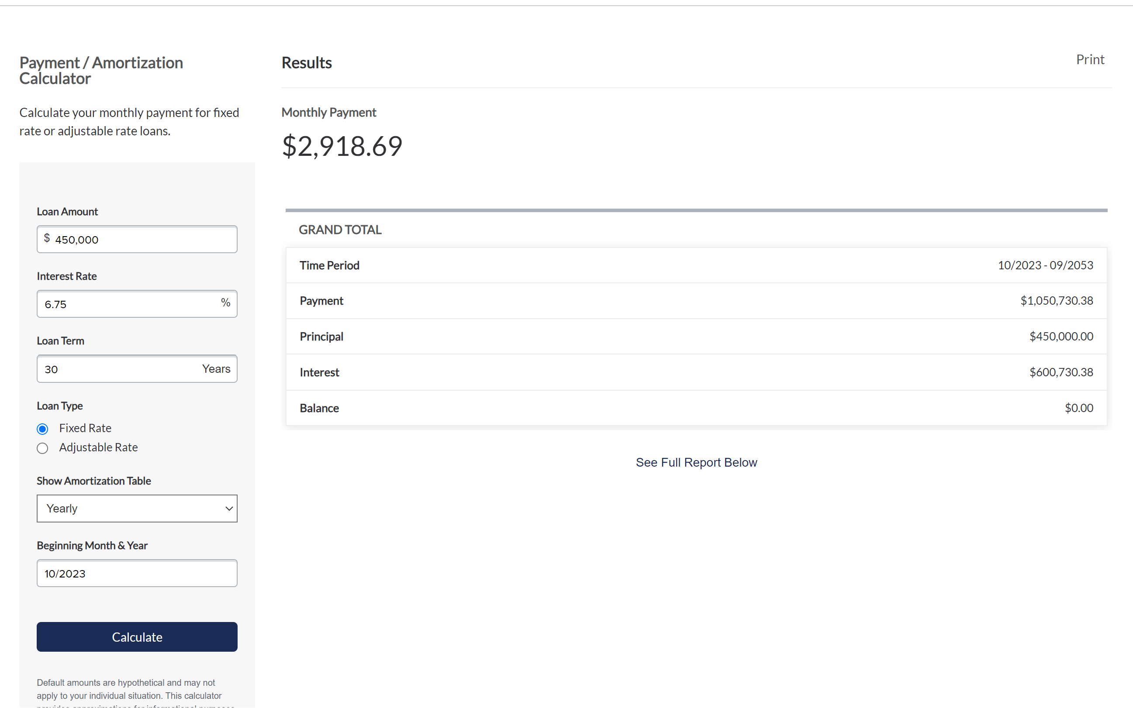
Insert Values from "see full report below" in rows B-F using |  |  |  |  |  | https://firstunitedteam.mymortgage-online.com/PaymentAmortization.html
 | Time Period | Payment | Principal | Interest | Balance | Calculation step | Interest (as % of total mortgage payment w/out escrow) | Payoff needed for Int reduction to value in Row H | Interest avoided By payoff in Row I
Y1 | 10/2023 - 09/2024 | $35,024.28 | $4,795.84 | $30,228.44 | $445,204.16 | $3,022,844.00 | 86.307098961
Y2 | 10/2024 - 09/2025 | $35,024.28 | $5,129.77 | $29,894.51 | $440,074.39 | $2,989,451.00 | 85.353674651
Y3 | 10/2025 - 09/2026 | $35,024.28 | $5,486.93 | $29,537.35 | $434,587.46 | $2,953,735.00 | 84.333924923
Y4 | 10/2026 - 09/2027 | $35,024.28 | $5,868.98 | $29,155.30 | $428,718.48 | $2,915,530.00 | 83.243110208
Y5 | 10/2027 - 09/2028 | $35,024.28 | $6,277.64 | $28,746.64 | $422,440.84 | $2,874,664.00 | 82.076319627
Y6 | 10/2028 - 09/2029 | $35,024.28 | $6,714.75 | $28,309.53 | $415,726.09 | $2,830,953.00 | 80.828299682
Y7 | 10/2029 - 09/2030 | $35,024.28 | $7,182.27 | $27,842.01 | $408,543.82 | $2,784,201.00 | 79.493454255
Y8 | 10/2030 - 09/2031 | $35,024.28 | $7,682.34 | $27,341.94 | $400,861.48 | $2,734,194.00 | 78.065673299
Y9 | 10/2031 - 09/2032 | $35,024.28 | $8,217.26 | $26,807.02 | $392,644.22 | $2,680,702.00 | 76.53838994
Y10 | 10/2032 - 09/2033 | $35,024.28 | $8,789.42 | $26,234.86 | $383,854.80 | $2,623,486.00 | 74.904780341
Y11 | 10/2033 - 09/2034 | $35,024.28 | $9,401.42 | $25,622.86 | $374,453.38 | $2,562,286.00 | 73.15742108 | $75,546.62 | $309,720.46
Y12 | 10/2034 - 09/2035 | $35,024.28 | $10,056.00 | $24,968.28 | $364,397.38 | $2,496,828.00 | 71.288489014 | $85,602.62 | $334,688.74
y13 | 10/2035 - 09/2036 | $35,024.28 | $10,756.18 | $24,268.10 | $353,641.20 | $2,426,810.00 | 69.289361551 | $96,358.80 | $358,956.84
 | 10/2036 - 09/2037 | $35,024.28 | $11,505.11 | $23,519.17 | $342,136.09 | $2,351,917.00 | 67.151044932
 | 10/2037 - 09/2038 | $35,024.28 | $12,306.18 | $22,718.10 | $329,829.91 | $2,271,810.00 | 64.863860156
 | 10/2038 - 09/2039 | $35,024.28 | $13,163.04 | $21,861.24 | $316,666.87 | $2,186,124.00 | 62.417385882
 | 10/2039 - 09/2040 | $35,024.28 | $14,079.55 | $20,944.73 | $302,587.32 | $2,094,473.00 | 59.800601183
 | 10/2040 - 09/2041 | $35,024.28 | $15,059.89 | $19,964.39 | $287,527.43 | $1,996,439.00 | 57.001571481
 | 10/2041 - 09/2042 | $35,024.28 | $16,108.47 | $18,915.81 | $271,418.96 | $1,891,581.00 | 54.007705512
 | 10/2042 - 09/2043 | $35,024.28 | $17,230.07 | $17,794.21 | $254,188.89 | $1,779,421.00 | 50.805355599
 | 10/2043 - 09/2044 | $35,024.28 | $18,429.77 | $16,594.51 | $235,759.12 | $1,659,451.00 | 47.380017519
 | 10/2044 - 09/2045 | $35,024.28 | $19,712.99 | $15,311.29 | $216,046.13 | $1,531,129.00 | 43.716216293
 | 10/2045 - 09/2046 | $35,024.28 | $21,085.58 | $13,938.70 | $194,960.55 | $1,393,870.00 | 39.797249223
 | 10/2046 - 09/2047 | $35,024.28 | $22,553.72 | $12,470.56 | $172,406.83 | $1,247,056.00 | 35.605471404
 | 10/2047 - 09/2048 | $35,024.28 | $24,124.07 | $10,900.21 | $148,282.76 | $1,090,021.00 | 31.121867459
 | 10/2048 - 09/2049 | $35,024.28 | $25,803.80 | $9,220.48 | $122,478.96 | $922,048.00 | 26.325965873
 | 10/2049 - 09/2050 | $35,024.28 | $27,600.47 | $7,423.81 | $94,878.49 | $742,381.00 | 21.19618162
 | 10/2050 - 09/2051 | $35,024.28 | $29,522.23 | $5,502.05 | $65,356.26 | $550,205.00 | 15.709245129
 | 10/2051 - 09/2052 | $35,024.28 | $31,577.79 | $3,446.49 | $33,778.47 | $344,649.00 | 9.8402879374
 | 10/2052 - 09/2053 | $35,026.26 | $33,778.47 | $1,247.79 | $0.00 | $124,779.00 | 3.5624414368

